Full
Floor |  | Bowl |  | Suites |  |  |  | Club |  | Total Capacity
Section | Cap. | Section | Cap. | Ste # | Fixed Seats | Add-On | Total per suite | Section | Cap. | Section | Cap.
Cont. | 184 | 100 | 308 | 201 | 19 | 9 | 28 | 240 | 32 | Floor | 2014
A | 154 | 101 | 185 | 202 | 19 | 8 | 27 | 241 | 15 | Bowl | 4123
B | 176 | 102 | 275 | 203 | 10 | 5 | 15 | 242 | 23 | Suites | 550
C | 154 | 103 | 303 | 204 | 10 | 5 | 15 | 243 | 15 | Club | 117
D | 148 | 104 | 305 | 205 | 12 | 6 | 18 | 244 | 32 | Total | 6804
E | 176 | 105 | 303 | 206 | 14 | 7 | 21 | Total | 117
F | 154 | 106 | 305 | 207 | 14 | 7 | 21
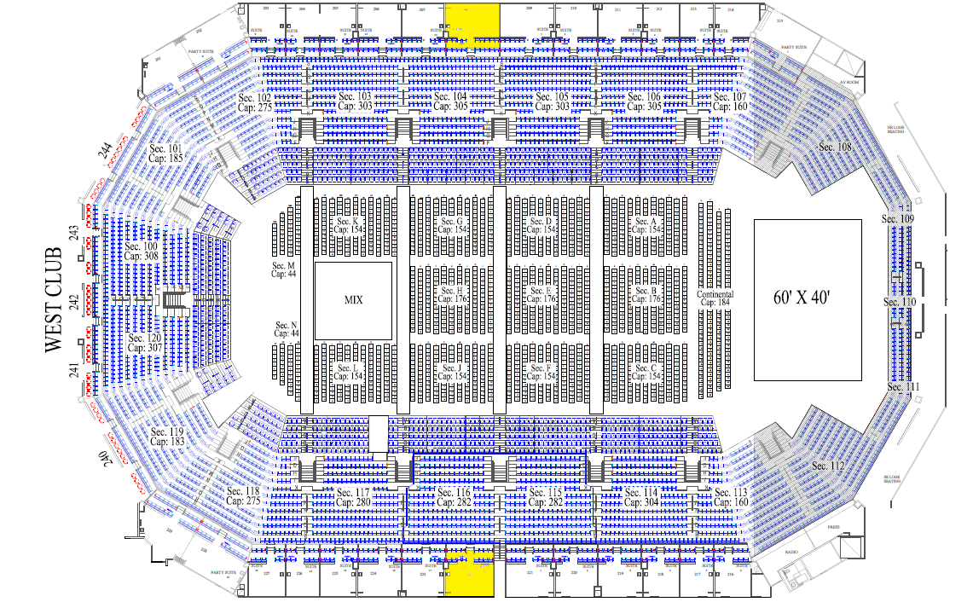
G | 148 | 107 | 119 | 209 | 18 | 9 | 27
H | 176 | 113 | 107 | 210 | 14 | 7 | 21
J | 154 | 114 | 304 | 211 | 14 | 7 | 21
K | 148 | 115 | 282 | 212 | 12 | 6 | 18
L | 154 | 116 | 282 | 213 | 10 | 5 | 15
M | 44 | 117 | 280 | 214 | 10 | 5 | 15
N | 44 | 118 | 275 | 215 | 19 | 9 | 28
Total | 2014 | 119 | 183 | 216 | 10 | 5 | 15
 |  | 120 | 307 | 217 | 10 | 5 | 15
 |  | Total | 4123 | 218 | 12 | 6 | 18
 |  |  |  | 219 | 14 | 7 | 21
 |  |  |  | 220 | 14 | 7 | 21
 |  |  |  | 221 | 16 | 8 | 24
 |  |  |  | 223 | 14 | 7 | 21
 |  |  |  | 224 | 14 | 7 | 21
 |  |  |  | 225 | 12 | 6 | 18
 |  |  |  | 226 | 10 | 5 | 15
 |  |  |  | 227 | 10 | 5 | 15
 |  |  |  | 228 | 19 | 9 | 28
 |  |  |  | 229 | 19 | 9 | 28
 |  |  |  | Total |  |  | 550

